Sheet1
DVX |  |  |  |  |  | DGX

Expiry | Tenor | Weights | Vol | Index | 2000 | Expiry | Tenor | Weights | Vol | Index | 2000
1 | 5 | 10% | 20% |  |  | 0.25 | 2 | 15% | 20%
1 | 10 | 10% | 20% |  |  | 0.25 | 5 | 35% | 20%
2 | 2 | 10% | 20% |  |  | 0.25 | 10 | 35% | 20%
2 | 10 | 10% | 20% |  |  | 0.25 | 30 | 15% | 20%
3 | 7 | 5% | 20%
3 | 10 | 10% | 20%
3 | 30 | 5% | 20%
5 | 5 | 15% | 20%
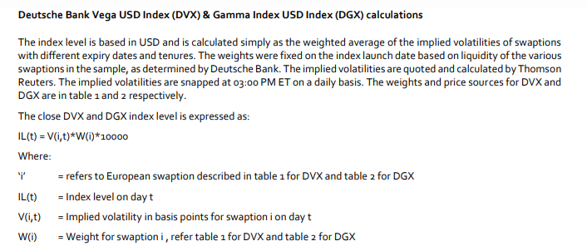
5 | 10 | 10% | 20%
5 | 30 | 5% | 20%
10 | 10 | 5% | 20%
10 | 20 | 5% | 20%

